1
 | FURUKAWA AUTOMOTIVE SYSTEMS LIMA PHILIPPINES, INC. |  |  |  |  | Employee Management System Work Instructions |  |  |  |  |  | DOCUMENT TYPE: | WORK INSTRUCTION | PAGE NO.: | 1 / 5
 |  |  |  |  |  |  |  |  |  |  |  | DOCUMENT NO.: | REVISION NO.: | EFFECTIVITY DATE:
 |  |  |  |  |  |  |  |  |  |  |  | 1 | 0
CAR MODEL |  | MATERIALS |  |  |  |  |  | DEVICES / EQUIPMENT USED |  |  | REFERENCE
N/A |  | Computer Application |  |  |  |  |  | Computer |  |  | N/A

FORMS |  |  |  |  | PURPOSE |  |  |  | SCOPE
 |  |  |  |  | To provide work instructions on how to add, import, update, and print QR codes for individual or multiple employees, as well as manage admin accounts and export attendance lists using the Employee Management System. |  |  |  | To detail the process on how to add, import, update, and print QR codes for individual or multiple employees, as well as manage admin accounts and export attendance lists using the Employee Management System.

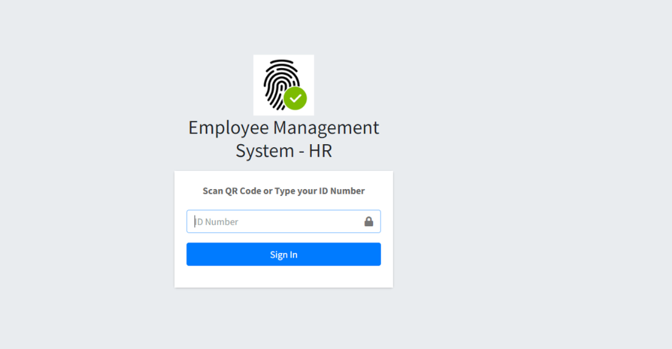

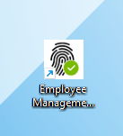
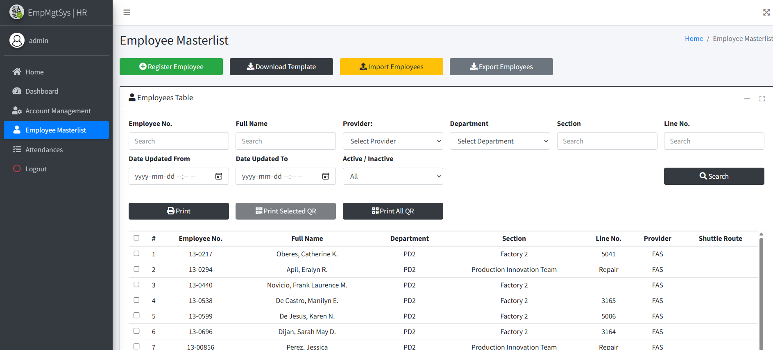
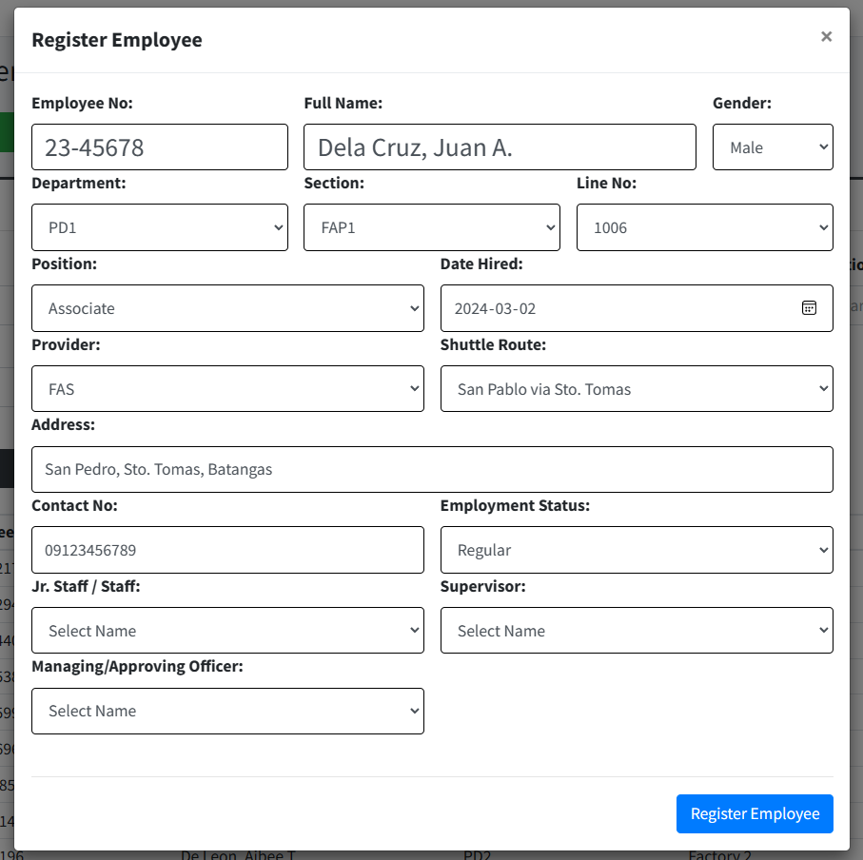
Get started by going to your dektop and look for your Employee Management System Logo.
http://172.25.116.188:3000/emp_mgt/hr/
1
Click the "Employee Masterlist" menu item located on the sidebar.
3
Login to the Employee Management System - HR using the HR account credentials. Enter the ID number to access the system.
2
Within the Employee Masterlist, click on the "Register Employee" button.
4
A new window will open; proceed to enter the employee's information into the provided input fields and click the 'Register Employee' button to save the details of the new single employee to the system.
4.1

 |  |  |  |  |  |  |  |  |  | Amazon.com: Ethernet Cable Labels

 |  |  |  |  |  |  |  |  |  |  |  |  |  |  |  | s

0
DR/CN No. |  |  | Revision No. | Effectivity Date |  |  | Details of change
 |  |  | 0 |  |  |  | First Issue

2
 | FURUKAWA AUTOMOTIVE SYSTEMS LIMA PHILIPPINES, INC. |  |  |  |  | Employee Management System Work Instructions |  |  |  |  |  | DOCUMENT TYPE: | WORK INSTRUCTION | PAGE NO.: | 2 / 5
 |  |  |  |  |  |  |  |  |  |  |  | DOCUMENT NO.: | REVISION NO.: | EFFECTIVITY DATE:
 |  |  |  |  |  |  |  |  |  |  |  | 1 | 0
CAR MODEL |  | MATERIALS |  |  |  |  |  | DEVICES / EQUIPMENT USED |  |  | REFERENCE
N/A |  | Computer Application |  |  |  |  |  | Computer |  |  | N/A

FORMS |  |  |  |  | PURPOSE |  |  |  | SCOPE
 |  |  |  |  | To provide work instructions on how to add, import, update, and print QR codes for individual or multiple employees, as well as manage admin accounts and export attendance lists using the Employee Management System. |  |  |  | To detail the process on how to add, import, update, and print QR codes for individual or multiple employees, as well as manage admin accounts and export attendance lists using the Employee Management System.

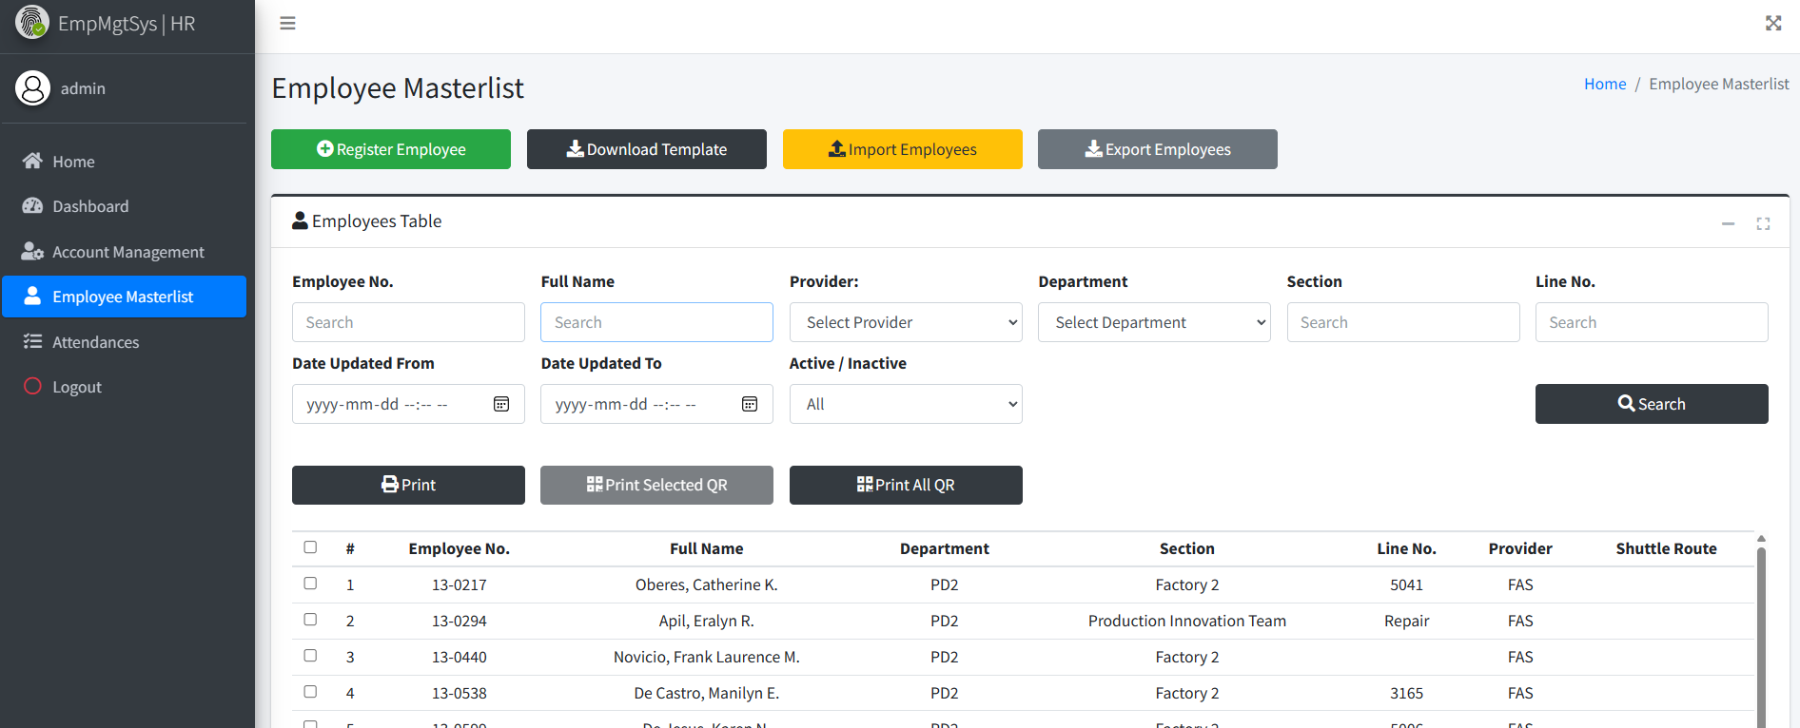
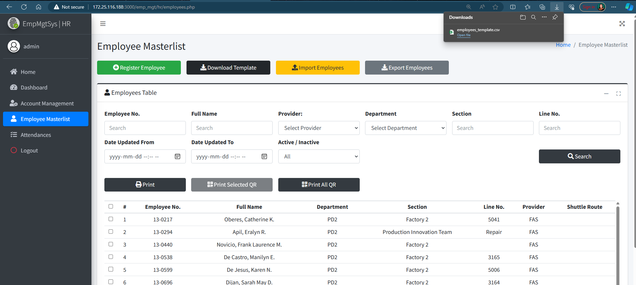

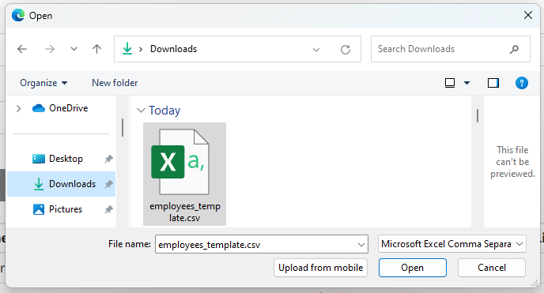
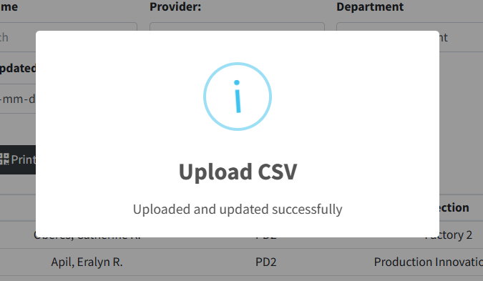

Edit the downloaded template by entering the details of the employees. Ensure not to delete or modify the example row provided save the edited file.
4.3
Click the "Download Template" button to obtain the necessary template for employee information .
4.2
Click the "Import Employees" button and select the template file you modified earlier.
4.4
Wait for the system to process the upload, and a message box will appear, indicating the results of the uploaded employee list.
4.5
Utilize the search functionality by typing or filtering in the input fields to locate the employee details.
4.6

 |  |  |  |  |  |  |  |  |  | Amazon.com: Ethernet Cable Labels

 |  |  |  |  |  |  |  |  |  |  |  |  |  |  |  | s

0
DR/CN No. |  |  | Revision No. | Effectivity Date |  |  | Details of change
 |  |  | 0 |  |  |  | First Issue

3
 | FURUKAWA AUTOMOTIVE SYSTEMS LIMA PHILIPPINES, INC. |  |  |  |  | Employee Management System Work Instructions |  |  |  |  |  | DOCUMENT TYPE: | WORK INSTRUCTION | PAGE NO.: | 3 / 5
 |  |  |  |  |  |  |  |  |  |  |  | DOCUMENT NO.: | REVISION NO.: | EFFECTIVITY DATE:
 |  |  |  |  |  |  |  |  |  |  |  | 1 | 0
CAR MODEL |  | MATERIALS |  |  |  |  |  | DEVICES / EQUIPMENT USED |  |  | REFERENCE
N/A |  | Computer Application |  |  |  |  |  | Computer |  |  | N/A

FORMS |  |  |  |  | PURPOSE |  |  |  | SCOPE
 |  |  |  |  | To provide work instructions on how to add, import, update, and print QR codes for individual or multiple employees, as well as manage admin accounts and export attendance lists using the Employee Management System. |  |  |  | To detail the process on how to add, import, update, and print QR codes for individual or multiple employees, as well as manage admin accounts and export attendance lists using the Employee Management System.

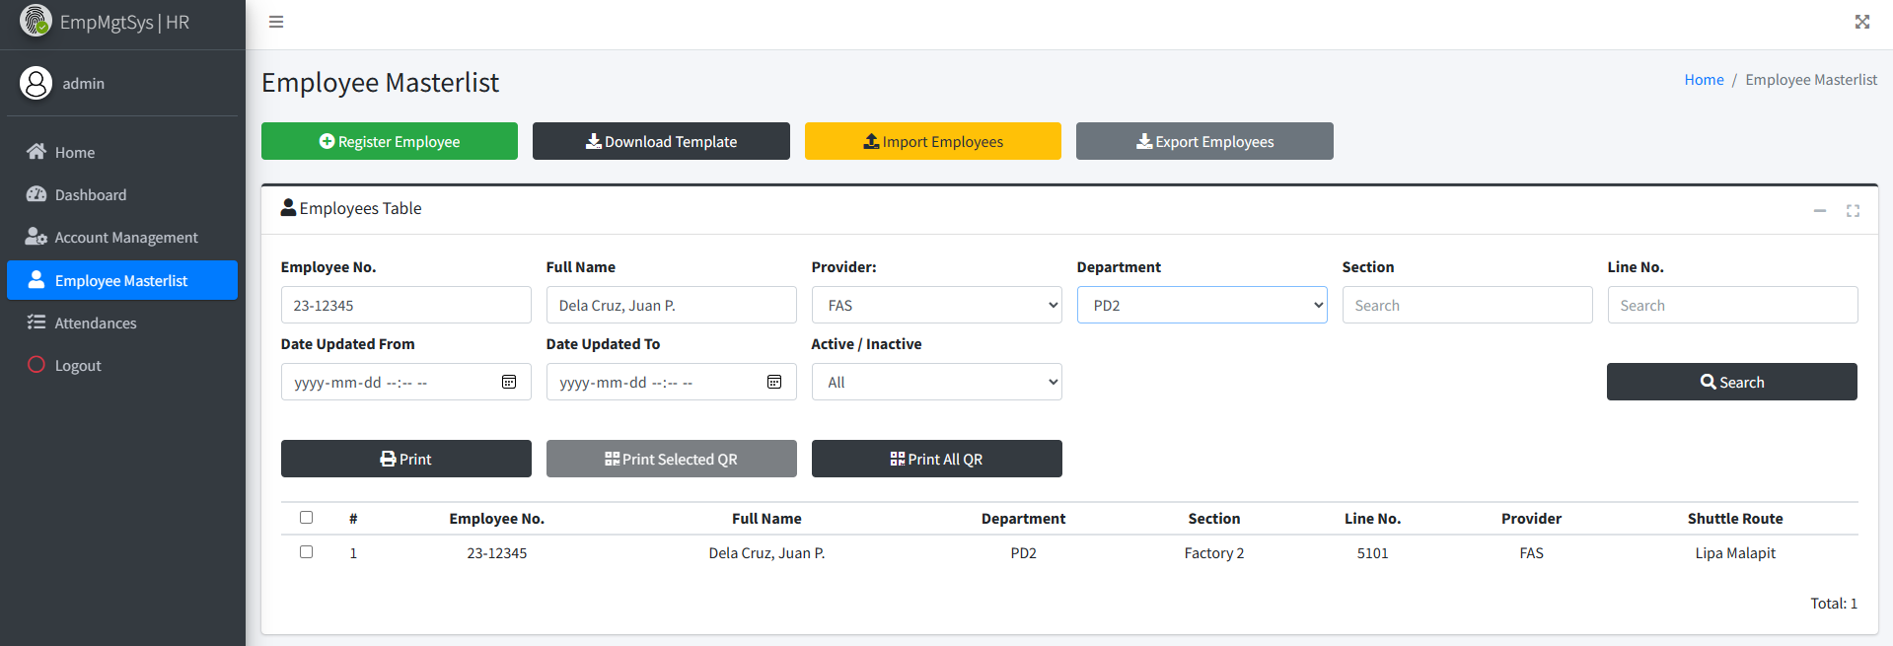

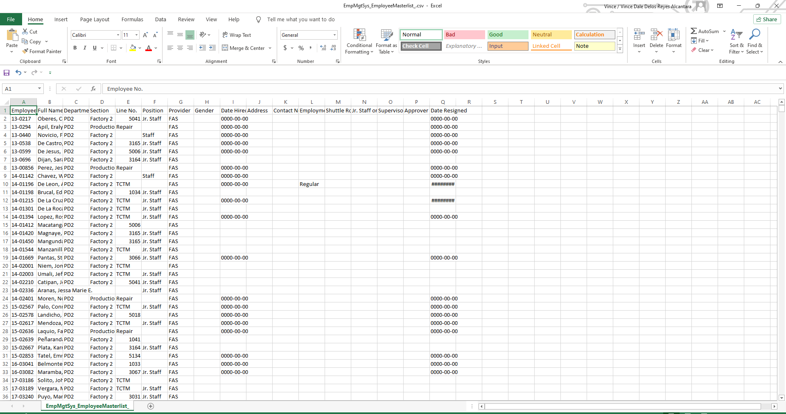
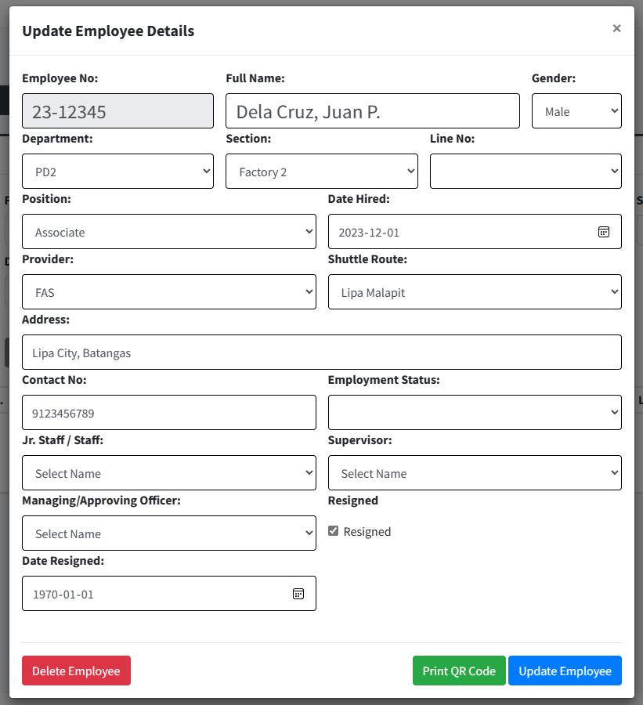
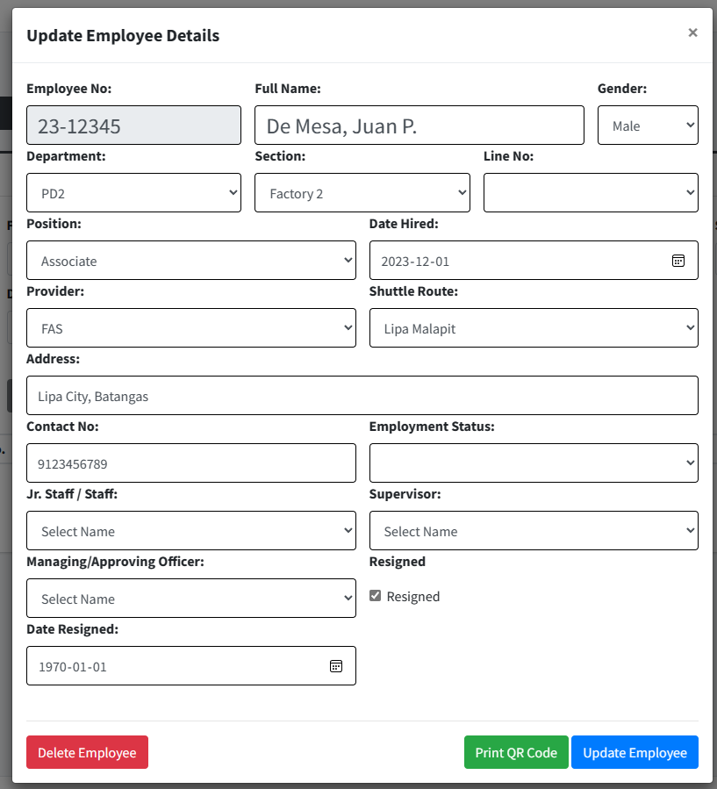
Click the "Export Employees" button to generate the employees list file.
4.7
Open the downloaded file to view the exported employees list.
4.8
Click on the desired row corresponding to the employee in the displayed table and enter the updated information for the employee into the provided input fields.
4.9
Enter the updated information for the employee into the provided input fields.
Click the "Update Employee" button to save and apply the changes of the employee's information.
4.11

 |  |  |  |  |  |  |  |  |  | Amazon.com: Ethernet Cable Labels

4.10

 |  |  |  |  |  |  |  |  |  |  |  |  |  |  |  | s

0
DR/CN No. |  |  | Revision No. | Effectivity Date |  |  | Details of change
 |  |  | 0 |  |  |  | First Issue

4
 | FURUKAWA AUTOMOTIVE SYSTEMS LIMA PHILIPPINES, INC. |  |  |  |  | Employee Management System Work Instructions |  |  |  |  |  | DOCUMENT TYPE: | WORK INSTRUCTION | PAGE NO.: | 4 / 5
 |  |  |  |  |  |  |  |  |  |  |  | DOCUMENT NO.: | REVISION NO.: | EFFECTIVITY DATE:
 |  |  |  |  |  |  |  |  |  |  |  | 1 | 0
CAR MODEL |  | MATERIALS |  |  |  |  |  | DEVICES / EQUIPMENT USED |  |  | REFERENCE
N/A |  | Computer Application |  |  |  |  |  | Computer |  |  | N/A

FORMS |  |  |  |  | PURPOSE |  |  |  | SCOPE
 |  |  |  |  | To provide work instructions on how to add, import, update, and print QR codes for individual or multiple employees, as well as manage admin accounts and export attendance lists using the Employee Management System. |  |  |  | To detail the process on how to add, import, update, and print QR codes for individual or multiple employees, as well as manage admin accounts and export attendance lists using the Employee Management System.

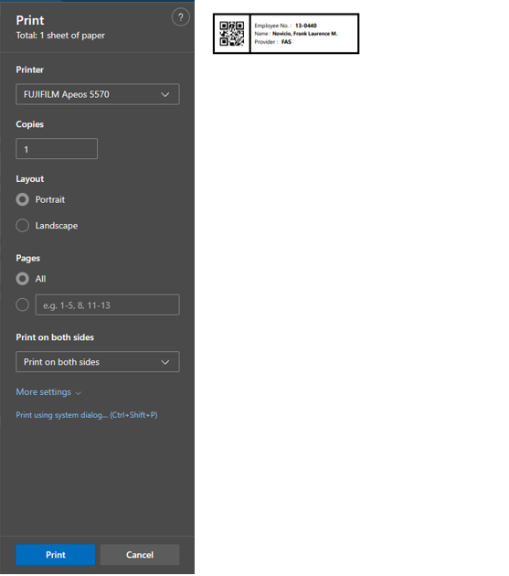
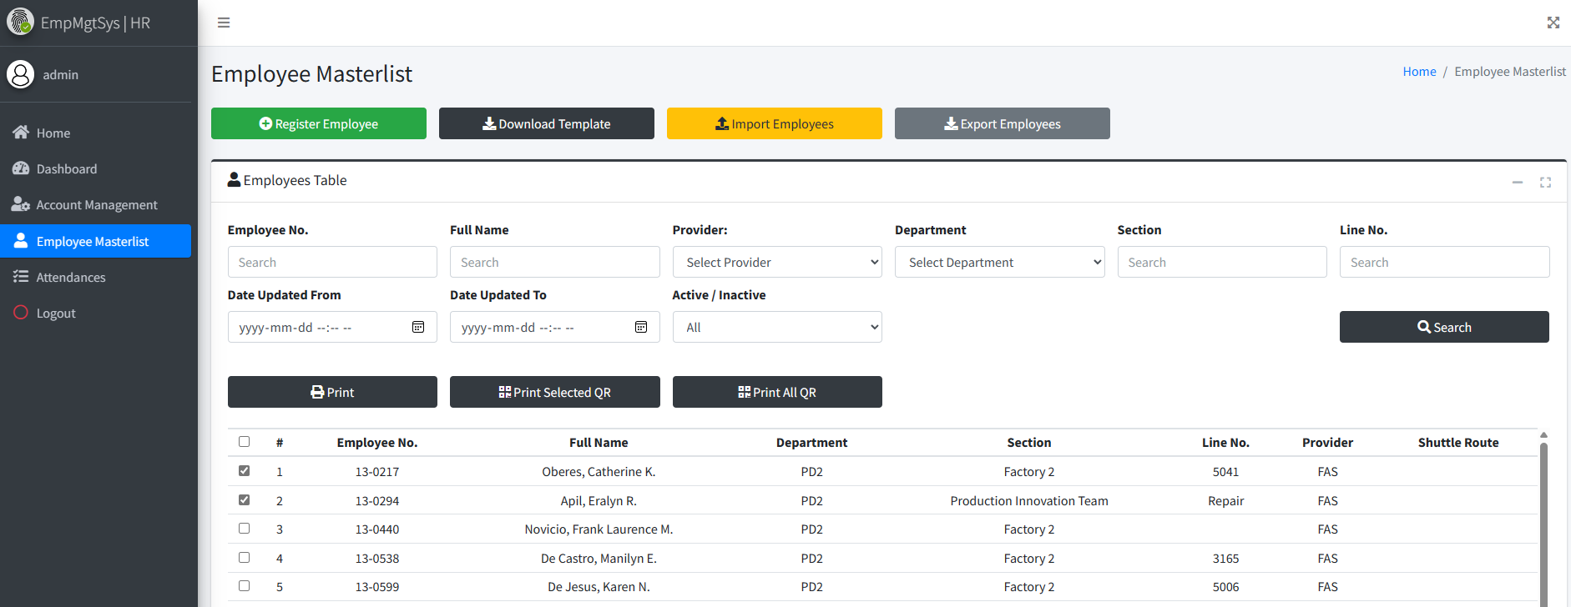
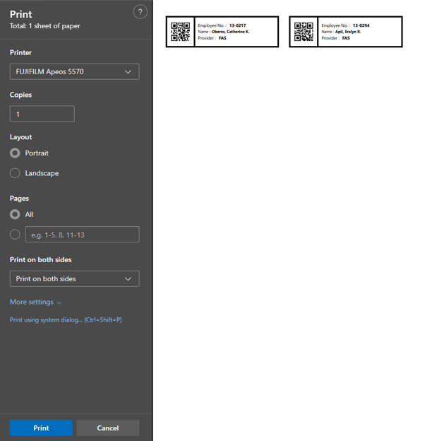
Click "Delete Employee" Button to delete existing employee details.
4.12
To generate a QR code for the selected employee, click on the "Print QR Code" button, triggering a print preview.
4.13
Choose either the "Print" or "Cancel"button.
4.14
After selecting the desired row in the table, click the "Print Selected QR" button to generate a QR code and display a print preview; then, proceed by clicking either the "Print" or "Cancel" button.
4.15
After searching and selecting the desired row in the table, click the "Print Selected QR" button to generate a QR code and display a print preview; then, proceed by clicking either the "Print" or "Cancel" button.
4.16

 |  |  |  |  |  |  |  |  |  | Amazon.com: Ethernet Cable Labels

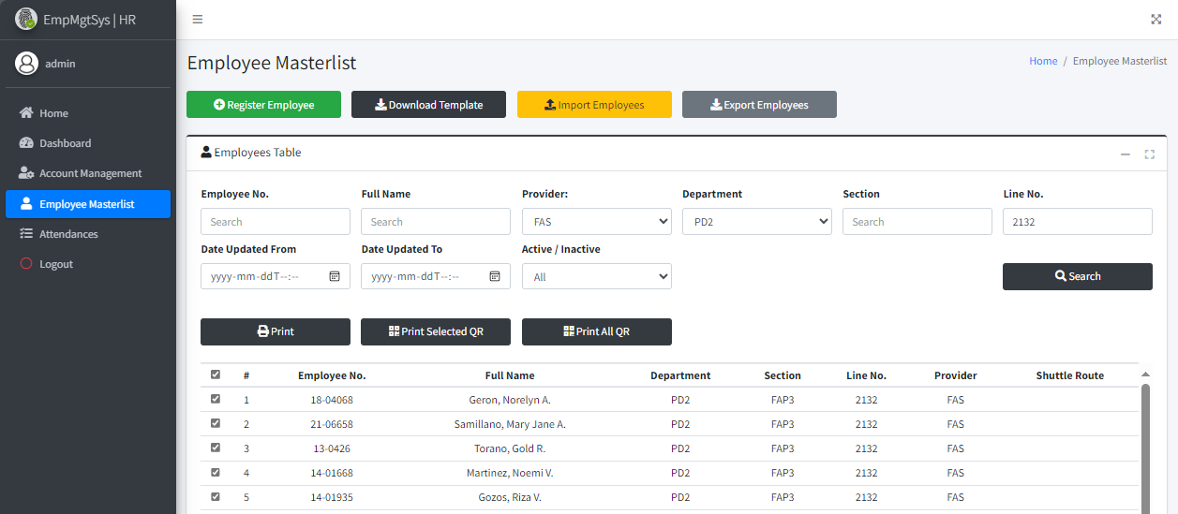
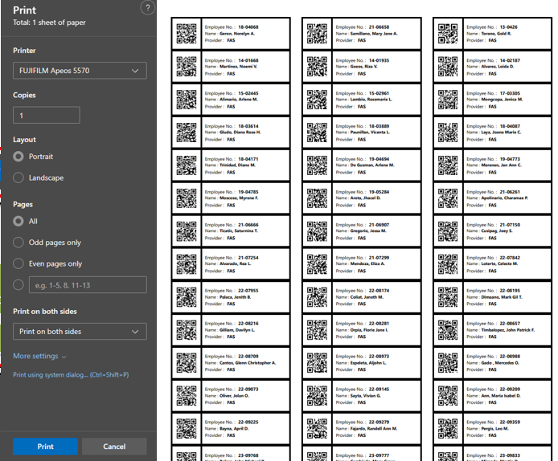

 |  |  |  |  |  |  |  |  |  |  |  |  |  |  |  | s

0
DR/CN No. |  |  | Revision No. | Effectivity Date |  |  | Details of change
 |  |  | 0 |  |  |  | First Issue

5
 | FURUKAWA AUTOMOTIVE SYSTEMS LIMA PHILIPPINES, INC. |  |  |  |  | Employee Management System Work Instructions |  |  |  |  |  | DOCUMENT TYPE: | WORK INSTRUCTION | PAGE NO.: | 5 / 5
 |  |  |  |  |  |  |  |  |  |  |  | DOCUMENT NO.: | REVISION NO.: | EFFECTIVITY DATE:
 |  |  |  |  |  |  |  |  |  |  |  | 1 | 0
CAR MODEL |  | MATERIALS |  |  |  |  |  | DEVICES / EQUIPMENT USED |  |  | REFERENCE
N/A |  | Computer Application |  |  |  |  |  | Computer |  |  | N/A

FORMS |  |  |  |  | PURPOSE |  |  |  | SCOPE
 |  |  |  |  | To provide work instructions on how to add, import, update, and print QR codes for individual or multiple employees, as well as manage admin accounts and export attendance lists using the Employee Management System. |  |  |  | To detail the process on how to add, import, update, and print QR codes for individual or multiple employees, as well as manage admin accounts and export attendance lists using the Employee Management System.

Can search for attendance by typing or filtering in the input fields, then click the "Export Absences Report" button to generate the list.
6.1

5
5.2
Click the "Account Management" menu item located on the sidebar.
Click your desired row from the table, have two options for managing the account: Click the "Delete Account" button to permanently remove the selected account from the system. Alternatively, click the "Update Account" button to modify the details or settings associated with the selected account.

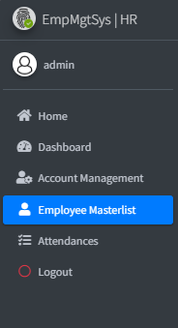
 |  |  |  |  |  |  |  |  |  | Amazon.com: Ethernet Cable Labels

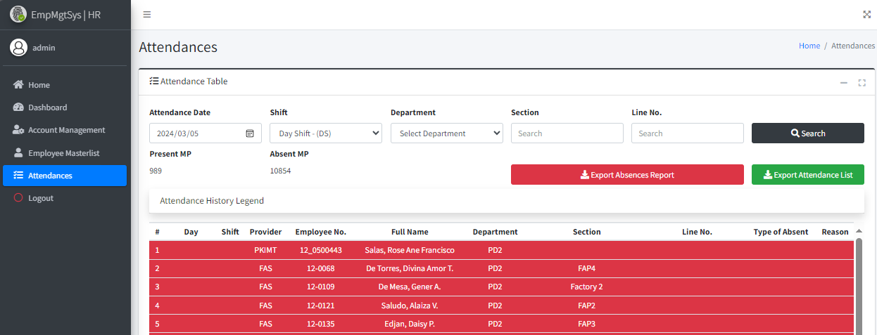

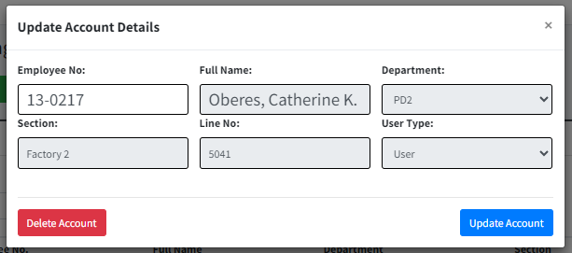

3. You may search for the attendance by typing or filtering on input fields (1-5-1.png)
4. Click Export Attendance List Button (1-5-1.png)
5. Open the file to see the exported attendance list from the downloads (1-5-2.png)
6. The sample output was shown in the picture (1-5-3.png)

5.1
Can search for attendance by typing or filtering in the input fields, then click the "Export Attendance List" button to generate the list.
6.2
After clicking on the "Add Account" button, a form will appear. Input the employee number of the individual for whom you wish to create an account. Once the number is inputed , press the enter key to show the details of the employee and click the "Register Account" button to officially adds the new employee account to the system.

6
Click the "Attendances" menu item located on the sidebar.

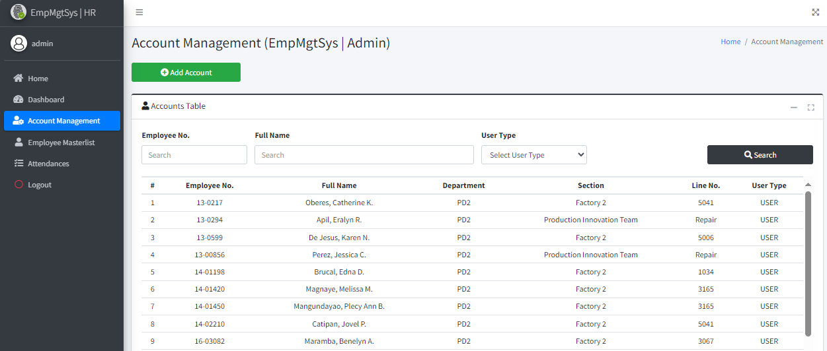
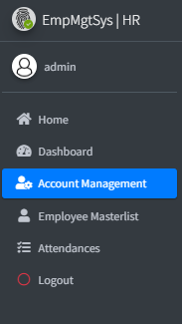

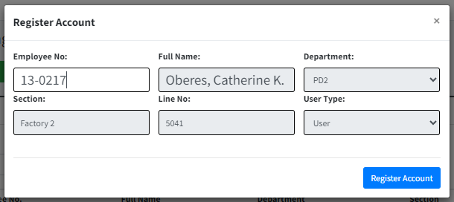
 |  |  |  |  |  |  |  |  |  |  |  |  |  |  |  | s

0
DR/CN No. |  |  | Revision No. | Effectivity Date |  |  | Details of change
 |  |  | 0 |  |  |  | First Issue

